Sheet 2
Mothers who had an antenatal check-up in the first trimester (%)
Districts | 32. Mothers who had an antenatal check-up in the first trimester (%)
Adilabad | 89.7 |  | a
Bhadradri | 92.8
Hyderabad | 87.9 | Mean | 88.225806452
Jagitial | 94.6 | Standard Error | 0.79985170322
Jangoan | 89.7 | Median | 88.3
Jayashankar Bhupalapally | 94.6 | Mode | 89.7
Jogulamba Gadwal | 88.3 | Standard Deviation | 4.4533858087
Kamareddy | 87.5 | Sample Variance | 19.832645161
Karimnagar | 92.3 | Kurtosis | 0.050190489952
Khammam | 84.9 | Skewness | -0.58211252615
KumurumBheem | 80 | Range | 17.5
Mahabubabad | 87.8 | Minimum | 78
Mahabubnagar | 86.2 | Maximum | 95.5
Mancherial | 86.7 | Sum | 2735
Medak | 78.9 | Count | 31
Medchal-Malkajgiri | 89.4 | Largest(1) | 95.5
Nagarkurnool | 92.4 | Smallest(1) | 78
Nalgonda | 90.5
Nirmal | 85.2
Nizamabad | 87.9
Peddapalli | 83.5
Rajanna Sircilla | 90.4
Ranga Reddy | 95.5
Sangareddy | 82.8
Siddipet | 86.1
Suryapet | 92.7
Vikarabad | 78
Wanaparthy, | 91.4
Warangal Rural | 86.8
Warangal Urban | 88.4
yadadri | 92.1

Districts | 39. Average out-of-pocket expenditure per delivery in a public health facility (Rs.)
Adilabad | 4105
Bhadradri | 3255
Hyderabad | 2815
Jagitial | 3494
Jangoan | 4741 | Mean | 3925.6774194
Jayashankar Bhupalapally | 5993 | Standard Error | 188.79735046
Jogulamba Gadwal | 2832 | Median | 3615
Kamareddy | 5957 | Mode | #N/A
Karimnagar | 4573 | Standard Deviation | 1051.1791597
Khammam | 3771 | Sample Variance | 1104977.6258
KumurumBheem | 4121 | Kurtosis | -0.44876053153
Mahabubabad | 3234 | Skewness | 0.76117654887
Mahabubnagar | 2369 | Range | 3770
Mancherial | 3041 | Minimum | 2369
Medak | 6139 | Maximum | 6139
Medchal-Malkajgiri | 3534 | Sum | 121696
Nagarkurnool | 2975 | Count | 31
Nalgonda | 4320 | Largest(1) | 6139
Nirmal | 5080 | Smallest(1) | 2369
Nizamabad | 5262
Peddapalli | 3850
Rajanna Sircilla | 3065
Ranga Reddy | 3499
Sangareddy | 4718
Siddipet | 5528
Suryapet | 3615
Vikarabad | 3201
Wanaparthy, | 2989
Warangal Rural | 3713
Warangal Urban | 2825
yadadri | 3082

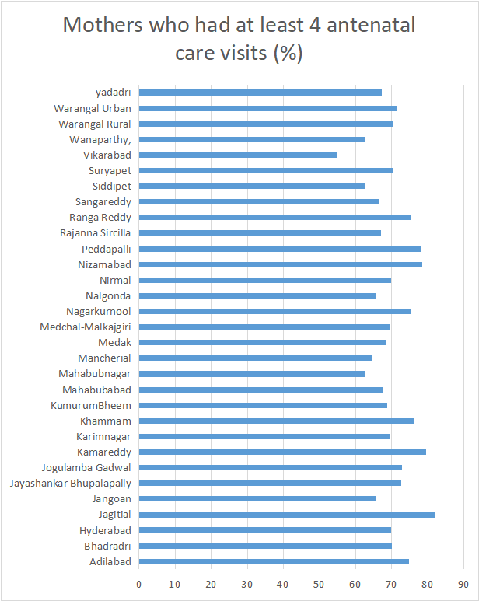
Category | Mothers who had atleast 4 antenatal check up
Adilabad | 74.8 | Mean | 70
Bhadradri | 70.1 | Standard Error | 1.0357792765
Hyderabad | 69.9 | Median | 69.7
Jagitial | 81.9 | Mode | 69.6
Jangoan | 65.4 | Standard Deviation | 5.7669749436
Jayashankar Bhupalapally | 72.7 | Sample Variance | 33.258
Jogulamba Gadwal | 72.9 | Kurtosis | 0.53610244209
Kamareddy | 79.5 | Skewness | -0.15040909963
Karimnagar | 69.6 | Range | 27.1
Khammam | 76.3 | Minimum | 54.8
KumurumBheem | 68.8 | Maximum | 81.9
Mahabubabad | 67.7 | Sum | 2170
Mahabubnagar | 62.6 | Count | 31
Mancherial | 64.7 | Largest(1) | 81.9
Medak | 68.5 | Smallest(1) | 54.8
Medchal-Malkajgiri | 69.6
Nagarkurnool | 75.1
Nalgonda | 65.7
Nirmal | 69.7
Nizamabad | 78.5
Peddapalli | 77.9
Rajanna Sircilla | 67.1
Ranga Reddy | 75.1
Sangareddy | 66.4
Siddipet | 62.6
Suryapet | 70.4
Vikarabad | 54.8
Wanaparthy, | 62.8
Warangal Rural | 70.4
Warangal Urban | 71.3
yadadri | 67.2

Sheet 3
Children who received postnatal care from a doctor/nurse/LHV/ANM/midwife/other health personnel within 2 days of delivery (%)
Districts | Children who received postnatal care from a doctor/nurse/LHV/ANM/midwife/other health personnel within 2 days of delivery (%)
Adilabad | 80.3 | Mean | 89.451612903
Bhadradri | 85.4 | Standard Error | 0.72343075952
Hyderabad | 94.9 | Median | 89.8
Jagitial | 89.9 | Mode | 94.9
Jangoan | 96.5 | Standard Deviation | 4.0278920018
Jayashankar Bhupalapally | 89.6 | Sample Variance | 16.223913978
Jogulamba Gadwal | 88.2 | Kurtosis | -0.17033486923
Kamareddy | 89 | Skewness | -0.22306259363
Karimnagar | 95.9 | Range | 16.2
Khammam | 91.5 | Minimum | 80.3
KumurumBheem | 81.9 | Maximum | 96.5
Mahabubabad | 94.3 | Sum | 2773
Mahabubnagar | 85.5 | Count | 31
Mancherial | 85.3 | Largest(1) | 96.5
Medak | 89.8 | Smallest(1) | 80.3
Medchal-Malkajgiri | 90.1
Nagarkurnool | 91
Nalgonda | 95.3
Nirmal | 91
Nizamabad | 85.9
Peddapalli | 89.8
Rajanna Sircilla | 90.1
Ranga Reddy | 90
Sangareddy | 89
Siddipet | 85.9
Suryapet | 88.7
Vikarabad | 86.9
Wanaparthy, | 83.6
Warangal Rural | 90.5
Warangal Urban | 92.3
yadadri | 94.9

Mothers who received postnatal care from a doctor/nurse/LHV/ANM/midwife/other health personnel within 2 days of delivery (%)
 | 1
Districts | Mothers who received postnatal care from a doctor/nurse/LHV/ANM/midwife/other health personnel within 2 days of delivery (%)
Adilabad | 83.4 | Mean | 87.458064516
Bhadradri | 87.1 | Standard Error | 0.80591595113
Hyderabad | 91.2 | Median | 87.7
Jagitial | 84.1 | Mode | 93.2
Jangoan | 85.6 | Standard Deviation | 4.4871501122
Jayashankar Bhupalapally | 89.1 | Sample Variance | 20.134516129
Jogulamba Gadwal | 88.3 | Kurtosis | 1.2977574407
Kamareddy | 86.8 | Skewness | -1.0031179409
Karimnagar | 89.5 | Range | 19.7
Khammam | 93.2 | Minimum | 74.1
KumurumBheem | 85.5 | Maximum | 93.8
Mahabubabad | 91.5 | Sum | 2711.2
Mahabubnagar | 84.9 | Count | 31
Mancherial | 87.7 | Largest(1) | 93.8
Medak | 80.8 | Smallest(1) | 74.1
Medchal-Malkajgiri | 90.6
Nagarkurnool | 90.3
Nalgonda | 92.2
Nirmal | 87.2
Nizamabad | 79.5
Peddapalli | 87.6
Rajanna Sircilla | 89.9
Ranga Reddy | 89.8
Sangareddy | 84.7
Siddipet | 74.1
Suryapet | 88.6
Vikarabad | 80.8
Wanaparthy, | 87.6
Warangal Rural | 93.8
Warangal Urban | 92.6
yadadri | 93.2

Sheet 4
Mothers who consumed iron folic acid for 100 days or more when they were pregnant (%)
Districts | Mothers who consumed iron folic acid for 100 days or more when they were pregnant (%)
Adilabad | 44.4
Bhadradri | 62.5
Hyderabad | 72.2
Jagitial | 53.5 | Mean | 56.967741935
Jangoan | 59.4 | Standard Error | 1.6570240658
Jayashankar Bhupalapally | 58.9 | Median | 58.9
Jogulamba Gadwal | 56.6 | Mode | #N/A
Kamareddy | 56.1 | Standard Deviation | 9.2259195421
Karimnagar | 48.8 | Sample Variance | 85.117591398
Khammam | 66.7 | Kurtosis | -0.66032705537
KumurumBheem | 49 | Skewness | -0.45883278054
Mahabubabad | 52.1 | Range | 35
Mahabubnagar | 69.1 | Minimum | 37.2
Mancherial | 68.1 | Maximum | 72.2
Medak | 41.8 | Sum | 1766
Medchal-Malkajgiri | 60.8 | Count | 31
Nagarkurnool | 65.9 | Largest(1) | 72.2
Nalgonda | 66.8 | Smallest(1) | 37.2
Nirmal | 58.7
Nizamabad | 40.9
Peddapalli | 61
Rajanna Sircilla | 55.2
Ranga Reddy | 48.2
Sangareddy | 44
Siddipet | 60.6
Suryapet | 67.1
Vikarabad | 37.2
Wanaparthy, | 64.3
Warangal Rural | 51.9
Warangal Urban | 63.7
yadadri | 60.5

Districts | Mothers who consumed iron folic acid for 180 days or more when they were pregnant (%)
Adilabad | 21.8
Bhadradri | 42.3
Hyderabad | 38.4 | Mean | 34.216129032
Jagitial | 36.3 | Standard Error | 1.3372584439
Jangoan | 34.8 | Median | 35.2
Jayashankar Bhupalapally | 35.3 | Mode | 38.9
Jogulamba Gadwal | 27.6 | Standard Deviation | 7.4455399076
Kamareddy | 28.3 | Sample Variance | 55.436064516
Karimnagar | 38.6 | Kurtosis | -0.45607550717
Khammam | 34.9 | Skewness | -0.33950752342
KumurumBheem | 18.8 | Range | 30.2
Mahabubabad | 32.4 | Minimum | 18.8
Mahabubnagar | 45.5 | Maximum | 49
Mancherial | 49 | Sum | 1060.7
Medak | 23.4 | Count | 31
Medchal-Malkajgiri | 31.8 | Largest(1) | 49
Nagarkurnool | 41.1 | Smallest(1) | 18.8
Nalgonda | 40.1
Nirmal | 34.6
Nizamabad | 28.2
Peddapalli | 41.9
Rajanna Sircilla | 34
Ranga Reddy | 26.6
Sangareddy | 21.6
Siddipet | 41.5
Suryapet | 38.9
Vikarabad | 24.4
Wanaparthy, | 38.8
Warangal Rural | 35.2
Warangal Urban | 38.9
yadadri | 35.7

